Annex A
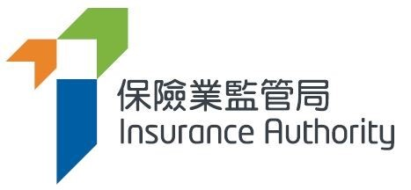
 |  | Annex A

Notification Form
Information on Compliance Officer ("CO") and Money Laundering Reporting Officer ("MLRO") under the Guideline

Name of Insurer
File No.
Contact Person
Name
Title/Post
Telephone Number
Email Address

Compliance Officer
Full Name in English
Title/Post
Telephone Number
Email Address
Effective Date of Appointment (DD/MM/YYYY)

Money Laundering Reporting Officer
Full Name in English
Title/Post
Telephone Number
Email Address
Effective Date of Appointment (DD/MM/YYYY)

Note:
1) | Please email the completed notification form in excel format to aml@ia.org.hk. Separate forms should be used for authorized insurers within the same group.
2) | Personal Information Collection: Information that you provide to the IA may contain personal data as defined in the Personal Data (Privacy) Ordinance (Cap. 486). With regard to any personal data provided by you to the IA, we would draw your attention to the Personal Information Collection Statement in Annex B which sets out the rights of the data subject in relation to his/her personal data, the purposes for which the IA may collect and use such personal data and the persons to whom such personal data may be transferred.

Annex B
